Sheet2
before | -7 | 4 | -3 | -2
35 | -7 | 8 | -3 | -2
36 | -6 | 8 | -3 | -1
37 | -5 | 8 | -3 | 0
38 | -4 | 8 | -3 | 1
39 | -3 | 8 | -3 | 2
40 | -2 | 8 | -3 | 3
41 | -1 | 6 | -3 | 2
42 | 0 | 4 | -3 | 1
43 | 1 | 2 | -3 | 0
44 | 2 | 0 | -3 | -1
45 | 3 | -2 | -3 | -2

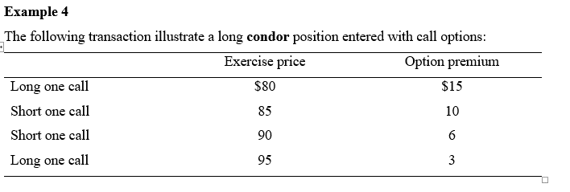
condor
before | -15 | 10 | 6 | -3
80 | -15 | 10 | 6 | -3 | -2
81 | -14 | 10 | 6 | -3 | -1
82 | -13 | 10 | 6 | -3 | 0
83 | -12 | 10 | 6 | -3 | 1
84 | -11 | 10 | 6 | -3 | 2
85 | -10 | 10 | 6 | -3 | 3
86 | -9 | 9 | 6 | -3 | 3
87 | -8 | 8 | 6 | -3 | 3
88 | -7 | 7 | 6 | -3 | 3
89 | -6 | 6 | 6 | -3 | 3
90 | -5 | 5 | 6 | -3 | 3
91 | -4 | 4 | 5 | -3 | 2
92 | -3 | 3 | 4 | -3 | 1
93 | -2 | 2 | 3 | -3 | 0
94 | -1 | 1 | 2 | -3 | -1
95 | 0 | 0 | 1 | -3 | -2

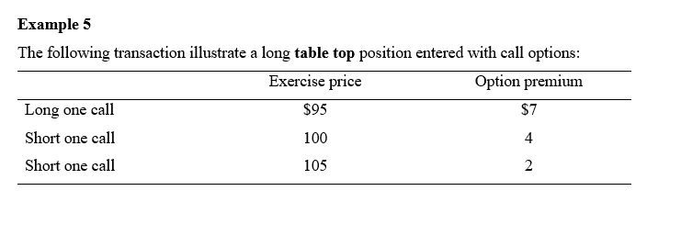
 | 7 | 4 | 2
95 | -7 | 4 | 2 | -1
96 | -6 | 4 | 2 | 0
97 | -5 | 4 | 2 | 1
98 | -4 | 4 | 2 | 2
99 | -3 | 4 | 2 | 3
100 | -2 | 4 | 2 | 4
101 | -1 | 3 | 2 | 4
102 | 0 | 2 | 2 | 4
103 | 1 | 1 | 2 | 4
104 | 2 | 0 | 2 | 4
105 | 3 | -1 | 2 | 4
106 | 4 | -2 | 1 | 3
107 | 5 | -3 | 0 | 2
108 | 6 | -4 | -1 | 1
109 |  |  |  | 0

 | 4 | 2
 | c | p | straddle

22 | -4 | 6 | 2
23 | -4 | 5 | 1
24 | -4 | 4 | 0
25 | -4 | 3 | -1
26 | -4 | 2 | -2
27 | -4 | 1 | -3
28 | -4 | 0 | -4
29 | -4 | -1 | -5
30 | -4 | -2 | -6
31 | -3 | -2 | -5
32 | -2 | -2 | -4
33 | -1 | -2 | -3
34 | 0 | -2 | -2
35 | 1 | -2 | -1
36 | 2 | -2 | 0
 | 3 | -2 | 1
 | 4 | -2 | 2

 | 3 | 5
 | c | p
17 | -3 | 3 | 0
18 | -3 | 2 | -1
19 | -3 | 1 | -2
20 | -3 | 0 | -3
21 | -3 | -1 | -4
22 | -3 | -2 | -5
23 | -3 | -3 | -6
24 | -3 | -4 | -7
25 | -3 | -5 | -8
26 | -3 | -5 | -8
27 | -3 | -5 | -8
28 | -3 | -5 | -8
29 | -3 | -5 | -8
30 | -3 | -5 | -8
31 | -2 | -5 | -7
32 | -1 | -5 | -6
33 | 0 | -5 | -5
34 | 1 | -5 | -4
35 | 2 | -5 | -3
36 | 3 | -5 | -2
37 | 4 | -5 | -1
38 | 5 | -5 | 0

